Rev
Maintenance
 |  |  |  | Username: | FilterName
DATE | REV | DESCRIPTION | BY | arfindlay | Adina Findlay
2018-02-23 | A | Created | Zack Boatwright | hriley | Holly Riley
2018-07-30 | B | Updated format/analog scaling | Zack Boatwright | idnsmith | Ian Smith
2018-07-30 | C | Added HMI QC | Zack Boatwright | machristiansen | Marshall Christiansen
2018-08-01 | D | Updated D20 Settings | Zack Boatwright | rcooper | Rusty Cooper
2018-08-08 | E | Updates to formatting and M++ | Zack Boatwright | mspurser | Scott Purser
2018-08-09 | F | Updated for accumulator settings | Zack Boatwright | tronnei | Taylor Ronnei
DONE
2018-08-31 | G | Added Ibox and updated on open setting | Zack Boatwright | zboatwright | Zack Boatwright
2018-09-04 | H | Updated ION Map and added RTS Pre/Postamble settings | Zack Boatwright | amrizk | Andrew Rizk
2018-09-14 | I | Updated HMI QC Sheet | Zack Boatwright | gmfan | George Fan
2018-09-25 | J | Updated Format and entries | Zack Boatwright | ahansen | Alex Hansen
2018-10-09 | K | Added D20 psuedo points | Zack Boatwright | mmvetsch | Molly Vetsch
2018-11-07 | L | Updated for D20 non DNP points and updated the bit values for the protocol translator | Zack Boatwright | jdthole | John Thole
2018-12-17 | M | Formatting updates and added corrections | Zack Boatwright | cbreuninger | Carl Breuninger
2019-02-08 | N | Updated several standard changes | Zack Boatwright | kakelly | Kirsten Kelly
2019-03-06 | O | Minor Updates | Zack Boatwright | cldavis3 | Carli Davis
 |  |  |  | meliska | Mike Liska
 |  |  |  | jmbivins | Justin Bivins
 |  |  |  | acmata | Andie Mata
 |  |  |  | ajeisenbeisz | Ashley Eisenbeisz

ASE Settings
 | Q3 | Q4 | INFO:
Master | Ashley Eisenbeisz | Zack Boatwright
Correct protocol? | YES | y | DNP?
Correct serial port | YES | y | Example: Serial Port 1
Under Master Serial Port Settings
Baud rate | YES - 9600 | y | Correct baud rate set?
Switched RX and Switched TX | YES | y | FALSE
Under Master Device Settings
Correct Address | YES | y | Device 15727 : toEMS

Slave
Correct protocol? | YES - TRW9550 | y | CDC, TRW, ect ?
Correct serial port | YES | y | Example: Serial Port 3
Under Slave/RTU Serial Port Settings
Baud rate | YES - 1200 | y | Correct baud rate set? | S9000
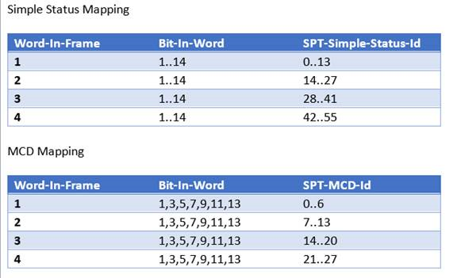
Switched RX and Switched TX | YES | y | FALSE except CDC2 protocols are TRUE
Under Slave/RTU Device Settings
Correct Address | YES | y | Example: Device 2 : East_York_CDC_44-550

Slave (Not S9000)
Device
Scan Group | N/A | na | Default

Slave (S9000)
Device
Scan Group | N/A | na | Poll
Variation | N/A | na | X-Status, Y-Analog
XCount | N/A | na | Number of status frames
YCount | N/A | na | Number of analog frames

Points
Correct number of points mapped | YES | y | Points mapped 1:1
Analog/Status Points | YES | y | Name the RTU side points
Control Points | YES | y | Name the RTU side points, also add the name to the trip/close
Do not use the point character: " | YES | y | The " character breaks the config
Status Points
Correct BIT number for S9000 and 9550 | YES | needs fixed | S9000 = 56 bit increments (2 for MCD and 1 for simple status) 9550 = 48 bit increments (2 for MCD and 1 for simple status) |  | frame 0: | 0-15
 |  |  |  |  | Frame 1: | 2019-08-23
Ports (S9000 or 9550)
RTU must be on port 2 | YES | y | For firmware 1.7, firmware 1.8 can be any port

Issue Configs
 | Q3 | INFO:
DFS Folder Path | Ashley Eisenbeisz
SITE - OPCO > Project | YES | Add folder under site formatted like: YYYYMMDD - <Brief desctription> - <Initials>
Folders Structure
1 - Deliverable | YES | QC docs, Configs, Points List, Project sheet
2 - Scope | YES | Holly's email, EMS Dump, and other useful documents
3 - Originals | YES | Original configs and points list
4 - Final | N/A | Post Q4 / U Drive files
Points List
Use Cellular Modem not CDMA | N/A | Check points lists and configs for Cellular Modem sites
Format | YES | Save on First tab with all tabs: Scroll to Top, Select Cell A1, Check Page Breaks, Zoom Level 100%
QC Email (add info)
Change Ticket Model | Non CIP - Infrastructure/Network Technology | \\bmcd\dfs\Clients\TND\FirstEnr\82568_EtfScadaSupprt\QC\Design\Q3\Change Ticket Model Matrix 2019-02-27.pdf
SCORES Number: | 103365
Work Order Number: | 15830833
Project Description (short): | Upgrade Transport Equipment MPLS via 700MHz
SCADA Tracker "To Upload" date | 2019-05-13
Add QC folder path here | \\bmcd\dfs\Clients\TND\FirstEnr\82568_EtfScadaSupprt\QC\Design\Q4\Stanton - JC\20190327 - MPLS Via 700MHz - AJE\1 - Deliverables
QTS Format
QTS Description | STANTON - JC - NIA SCADA - Q4 - 43551 | [Project Name] [Discipline Design Task] [Q Review] [YYYY-MM-DD] example: Alburtis (ME) NIA SCADA Q3 2019-02-12
Assigning Date | 2019-05-11 | Two days before the "Configs Due On FE Network On or Before" in SCADA Tracker
Review Description |  | Place the QC folder path here
Q4er |  | Assign the person Q4ing the site
Create Files
CREATE PROJECT SHEET
Create Project Sheet
CREATE EMAIL
Create Q4 Email
GO TO QTS
Create QTS

